NS
oabs scoring | 80 | 104 | 105 | 107 | 109 | 128 | 130 | 144 | 148 | 149 | 156 | 163
Cysts | 0 | 0 | 0 | 0 | 0 | 0 | 0 | 0 | 0 | 0 | 0
Fibrosis | 0 | 0 | 0 | 0 | 0 | 0 | 0 | 1 | 0 | 1 | 1
blood vessels | 1 | 0 | 0 | 0 | 0 | 1 | 0 | 1 | 1 | 1 | 1
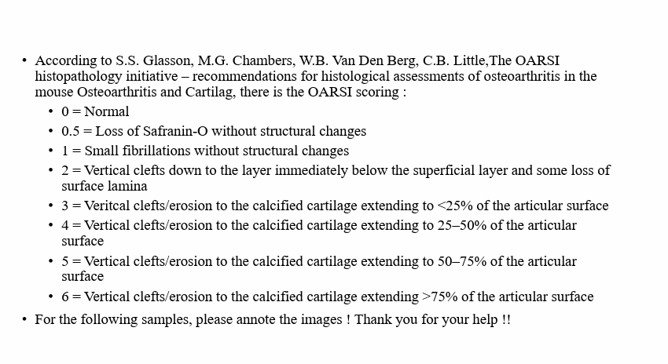
cartilage islands | 0 | 0 | 0 | 1 | 0 | 0 | 1 | 0 | 0 | 0 | 0
trabeculae thickened | 0 | 1 | 0 | 1 | 1 | 1 | 1 | 1 | 0 | 1 | 1
tidemark integrity | 0 | 1 | 1 | 1 | 1 | 1 | 1 | 1 | 1 | 1 | 1
inflammation | 1 | 1 | 0 | 0 | 1 | 1 | 1 | 1 | 1 | 1 | 0

total | 2 | 3 | 1 | 3 | 3 | 4 | 4 | 5 | 3 | 5 | 4 | 0

OARSI scoring | 2 | 2 | 1 | 2 | 1 | 3 | 3 | 1 | 3 | 2 | 2

